Document History
국민대학교 종합정보시스템 구축
업무기능분해도
Document History

No | Version | Change Date | Change Cause | Change Description | Author | Approver
1 | v1.0 | 10-02-2016 | new | Initial | Application Team | K.H.Ryu

SIT-OMC-DUM-01
▣ Scenario SIT-OMC-DUM-01

001. Upload event data to DMC
OVMC
DMC
003. Transmit event data to OASA-MC
DMC
OASA-MC
AMC
002. Transmit event data to AMC
004. Receive event data at OASA-MC
▶ Desc & Flow
Description |  | Uploading device event data from OVMC to DMC
Biz flow

▶ Advance preparation
Preparation |  | OVMC, DMC, AMC, OASA-MC 1ea

▶ Data
NO | Item | 1 | 2 | 3 | 4 | 5
1 | N/A

001
▶ Test Case SIT-OMC-DUM-01-001 : Uploading device event data from OVMC to DMC

1. Test Scenario
Test date |  | 1st |  | Tester |  | 1st
 |  | 2nd |  |  |  | 2nd
 |  | 3rd |  |  |  | 3rd

OVMC save and send the event data to DMC
Receive the event data at DMC
Description |  | Uploading device event data from OVMC to DMC |  |  |  |  | Written by |  | KIM J.E.
Flow

NO | Task | Test data | Expected result | Person in charge | Result |  | Pass/Fail |  |  | Remark
 |  |  |  |  |  |  | 1st | 2nd | 3rd
1 | OVMC save and send the event data to DMC | Test data : A | Send OK | KIM J.E. | 1st |  |  |  |  | Test Data:B
 |  |  |  |  | 2nd
 |  |  |  |  | 3rd
2 | Recceive the event data at DMC | Test data : A | Receive OK | LEE H. | 1st |  |  |  |  | Test Data:B
 |  |  |  |  | 2nd
 |  |  |  |  | 3rd

2. Test Data
NO | Item | Value
A | Event Information of Equipment (MA503) | Event Code : Log-In OVMC
B | 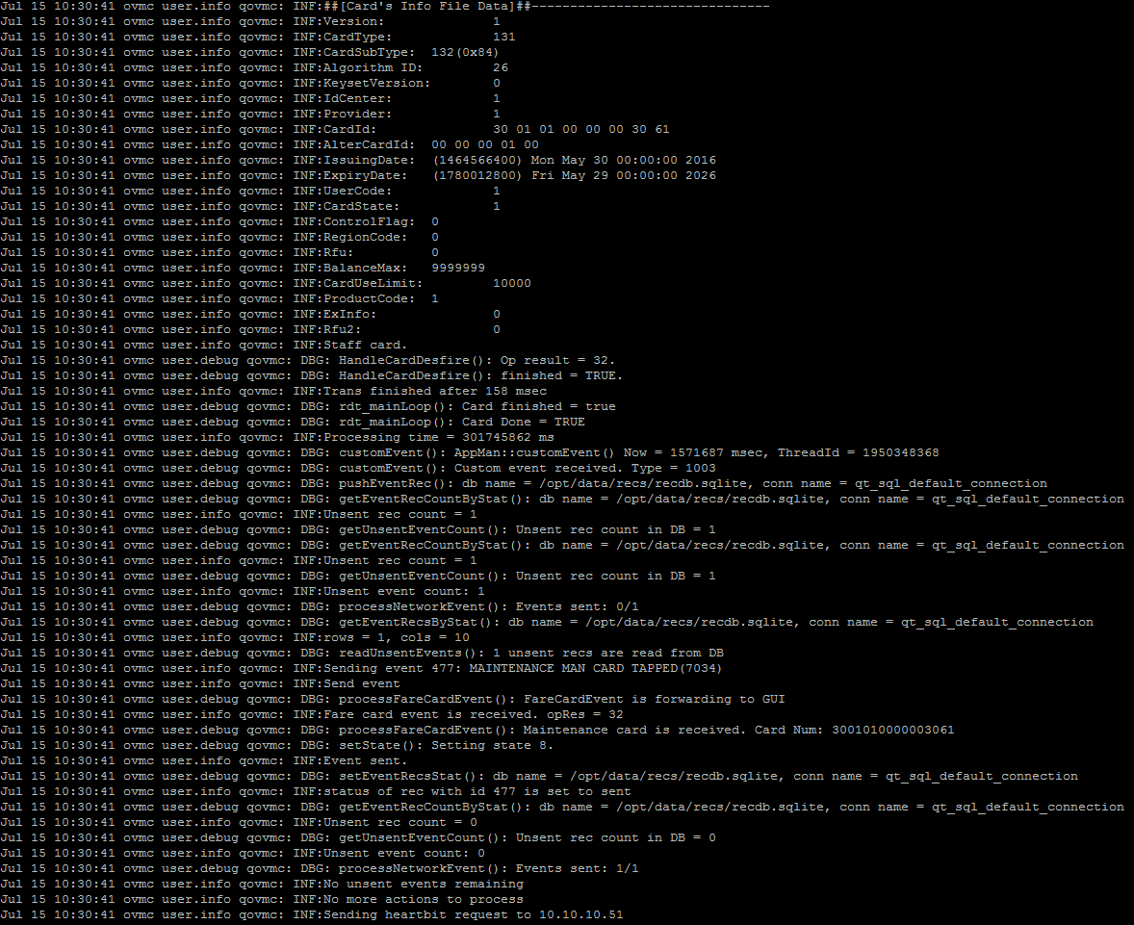

002
▶ Test Case SIT-OMC-DUM-01-002 : Receiving / sending device event data from DMC to AMC

1. Test Scenario
Test date |  | 1st |  | Tester |  | 1st
 |  | 2nd |  |  |  | 2nd
 |  | 3rd |  |  |  | 3rd

Receiving an event message
from OVMC
Sending a file of device event
to AMC
Description |  | Receiving / sending device event data from DMC to AMC |  |  |  |  | Written by |  | LEE H.
Flow

NO | Task | Test data | Expected result | Person in charge | Result |  | Pass/Fail |  |  | Remark
 |  |  |  |  |  |  | 1st | 2nd | 3rd
1 | [Receiving an event message from OVMC] 1. Menu: Bus > Event/event > Device event 2. Input inquiry condition. 3. Click 'Search' button. | Test Data: A | 1. Show device list that meets the inquiry condition. | LEE. H | 1st
 |  |  |  |  | 2nd
 |  |  |  |  | 3rd
2 | [Sending a file of device event to AMC] 1. Menu: Bus > Scheduler > History Of Sub Job Execution 2. Input inquiry condition. 3. Click 'Search' button. 4. Location: 'D:/AFCDATA/DEPOTMC/UPLOAD-BACKUP' | Test Data: B | 1. The batch job executes after receiving data. 2. File Name: Linking Item(5).System ID(9).Creation Date(14).Sequence(5).dat | LEE. H | 1st |  |  |  |  | Batch jobs execute every 5 minutes.
 |  |  |  |  | 2nd
 |  |  |  |  | 3rd

2. Test Data
NO | Item | Value
A | Device ID | 220000001
B | Main Job | [BD001] Jobs for Device Information
 | Sub Job | [BD00103] Send Device Event
 | Linking Item | FB703(Bus) / FT703(Tram)

003
▶ Test Case SIT-OMC-DUM-01-003 : Receiving / sending device event data from AMC to OASA MC

1. Test Scenario
Test date |  | 1st |  | Tester |  | 1st
 |  | 2nd |  |  |  | 2nd
 |  | 3rd |  |  |  | 3rd

Received event Info from SMC
Create and send event Info file
Description |  | Receiving / sending device event data from AMC to OASA MC |  |  |  |  | Written by |  | ROH S.W.
Flow

NO | Task | Test data | Expected result | Person in charge | Result |  | Pass/Fail |  |  | Remark
 |  |  |  |  |  |  | 1st | 2nd | 3rd
1 | [Received event Information from SMC] 1. Excute ExecuteRcvFileDelegJob 2. Check at Operation > Event & Alarm > event History | Test Data : A | 1. Device event is Inquired | ROH S.W. | 1st
 |  |  |  |  | 2nd
 |  |  |  |  | 3rd
2 | [Create and send event Information file] 1. Execute smartafc.rail.monitoring.stationerrorInformation.job.CreateStationErrorInformationJob 2. -Main Job : AD003 -Sub Job: AD00302 | Test Data : B | 1.event Informationrmation file is created under: AFCDATA/STASYMC/UPLOAD/ -FB703.createSystemId(9).creatdate(14).sequence(5).dat | ROH S.W. | 1st
 |  |  |  |  | 2nd
 |  |  |  |  | 3rd

2. Test Data
NO | Item | Value
A | Transit Mode Group | bus
 | Device Class Name | OVMC
 | Device ID | 220000001
 | Occurrence Date | Current date
B | Linking Item ID | FB703
 | Cycle | Every 5 min

004
▶ Test Case SIT-OMC-DUM-01-004 : Receiving device event data at OASA MC

1. Test Scenario
Test date |  | 1st |  | Tester |  | 1st
 |  | 2nd |  |  |  | 2nd
 |  | 3rd |  |  |  | 3rd

Received event information from AMC
Inquiry of event information
Description |  | Receiving device event data at OASA MC |  |  |  |  | Written by |  | ROH S.W.
Flow

NO | Task | Test data | Expected result | Person in charge | Result |  | Pass/Fail |  |  | Remark
 |  |  |  |  |  |  | 1st | 2nd | 3rd
1 | [Received event information from AMC] 1.Main Job : [AD004] ExecuteRcvFileDelegJob sub job : AD00301 Execution - smartafc.operation.batch.rcv.job.ExecuteRcvFileDelegJob | Test Data : A | 1. File is moved from /data001/AFCDATA/OASAMC/SHARERCV/ to ./data001/AFCDATA/OASAMC/SHARERCV-BACKUP/ | ROH S.W. | 1st
 |  |  |  |  | 2nd
 |  |  |  |  | 3rd
2 | [Received event information from AMC] 1. Inquire test data. 2. Click 'Search' button. 3. Show data that meets the inquiry condition | Test Data : B | history Of Sub Job Execution data is inquired Execution Result: [02] Job Success | ROH S.W. | 1st
 |  |  |  |  | 2nd
 |  |  |  |  | 3rd
3 | [Inquiry of event Info] 1. Check at Operation > event & Alarm > Device event 2. Inquire test data. 3. Click 'Search' button. | Test Data : C | event data received from SMC is inquired. | ROH S.W. | 1st
 |  |  |  |  | 2nd
 |  |  |  |  | 3rd

2. Test Data
NO | Item | Value
A | Linking Item ID | FB703
B | System Class | Operation
 | Main Job | AD004
 | Sub Job | AD00401
 | Execution Date | Current date
C | Device Class Name | OVMC
 | Device ID | 220000001
 | Occurrence Date | Current date

